Clients Requirement
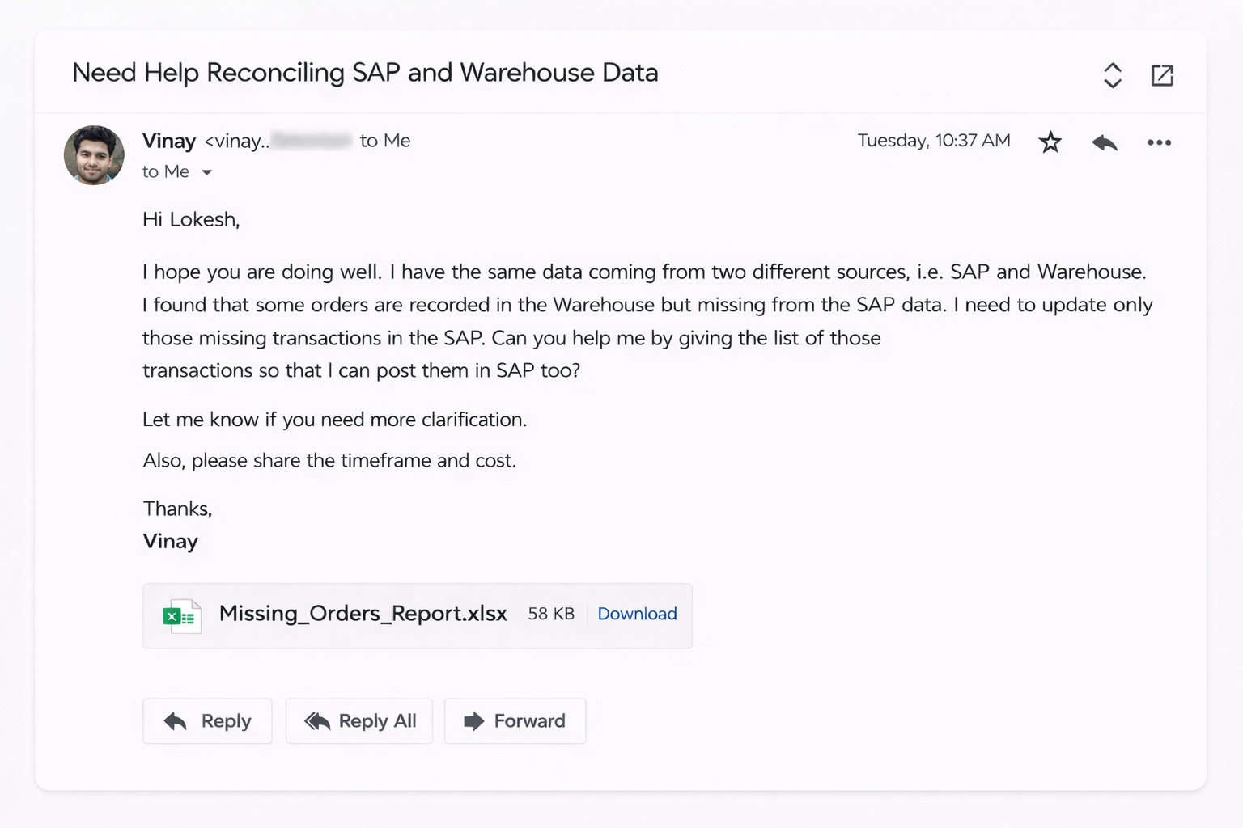

Clients's Requirement

Home Work
Write Total Number of Missing transactions in Oracle Data Sheet in the comment section of this video :)



Solve this querie and I'll Pay you Good amount...
Query
Compare "Oracle and Call Center Data" and find the list of missing transactions in Oracle Data Sheet.

691

